Prediksi Hasil
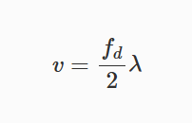
 |  |  |  | fd | ?
 | Jarak |  |  | fb | ? |  |  |  |  |  | Kecepatan
 |  |  |  | λ | 0.051724137931 | m
 |  |  |  | c | 300000000 | m/s | 300 | m/µs
 |  |  |  | µ | 1400000000000 | Hz/s | 1400000 | Hz/µs
 |  |  |  | TC | 0.00001 | s | 10 | µs
 |  |  |  | BW | 14000000 | Hz

d0 | 2.5 | 5 | 10 | 15 | 20 | 25 | m |  | v | 3 | 6 | 9 | 12 | 15 | m/s
fb | 23333 | 46667 | 93333 | 140000 | 186667 | 233333 | Hz |  | fd | 116 | 232 | 348 | 464 | 580 | Hz

d0 | 5 | 10 | 15 | 20 | 25
fb | 46666.666667 | 93333.333333 | 140000 | 186666.66667 | 233333.33333

As Is
Rres : c / 2 * B | Rmax : c * Fs / 2 * µ |  | λ : c / Fc |  |  | µ : B / Tc |  |  | Tf : N * Tc | Tf : λ / 2*Vres | Tc : λ / 4*Vmax
Range Resolution (Rres) | 3.0E+01 | m | Freq. Center (Fc) | 5.8E+09 | Hz | Speed of light (c) | 3.0E+08 | m/s | Time Chirp (Tc) | 0.000862 | s | 862 | µs | limit to
Max Range (Rmax) | 5.2E+05 | m | Wavelength (λ) | 0.052 | m | Chirp Rate (µ) | 5.8E+09 | Hz/s | Time Frame (Tf) | 0.025862068966 | s | 26 | ms
Max Range (Rmax) | 517.24 | km | Bandwidth (B) | 5 | MHz | Chirp Rate (µ) | 5800 | MHz/s | N Chirp | 30
 |  |  | Bandwidth | 5.0E+06 | Hz | Chirp Rate (µ) | 5800 | Hz/µs
 |  |  | Frequency Sampling ADC (Fs) | 20 | MS/s | Chirp Rate (µ) | 0.0058 | MHz/µs | If Triangular | Tc x 2
Vmax : λ / 4*Tc | Vres : λ / 2*Tf |  |  |  |  |  |  |  | since chirp only | 0.001724137931 | s | 1724 | µs
Velocity Resolution (Vres) | 1 | m/s | lambda | 0.003896 |  |  |  |  | goes up or down |  |  | 1.72 | ms
Max Velocity (Vmax) | 15 | m/s |  | 15000000000.00
Max Velocity (Vmax) | 54 | km/h

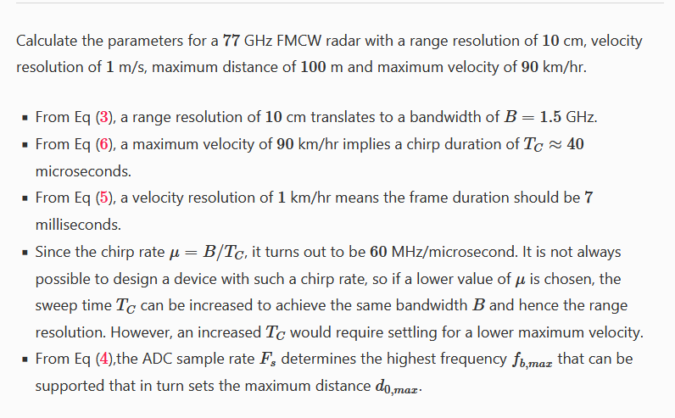
 |  |  |  |  |  |  |  |  | Deciding Factor
Kompilasi Parameter
Max Range | 517.24137931 | Km |  | Calculate parameter if 5,8 GHz FMCW with range resolution of
Range Resolution | 30 | m |  | XX cm, velocity resolution of XX m/s
Max Velocity | 54 | km/h |  | and maximum distance of XXX m
Velocity Resolution | 1 | m/s |  | with maximum velocity of XX Km/h
Frequency Center | 5.8E+09 | Hz
Bandwidth | 5 | MHz |  | Bandwidth i got is 5 MHz, thus the range resolution is?
 |  |  |  | Chirp duration is XX us thus max velocity is XX km/h
 |  |  |  | velocity res is XX km/hari thus frame duration is X ms
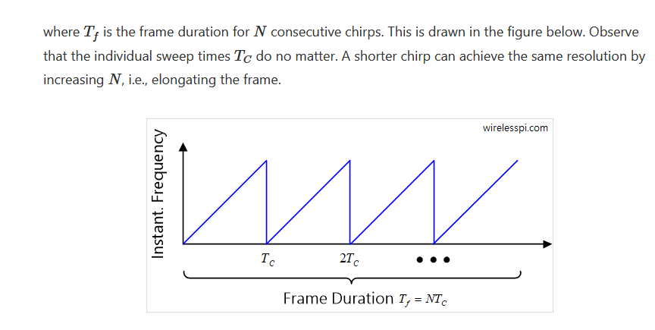
 |  |  |  | Chirp rate (us) = B/Tc,

